Modules-Pinouts
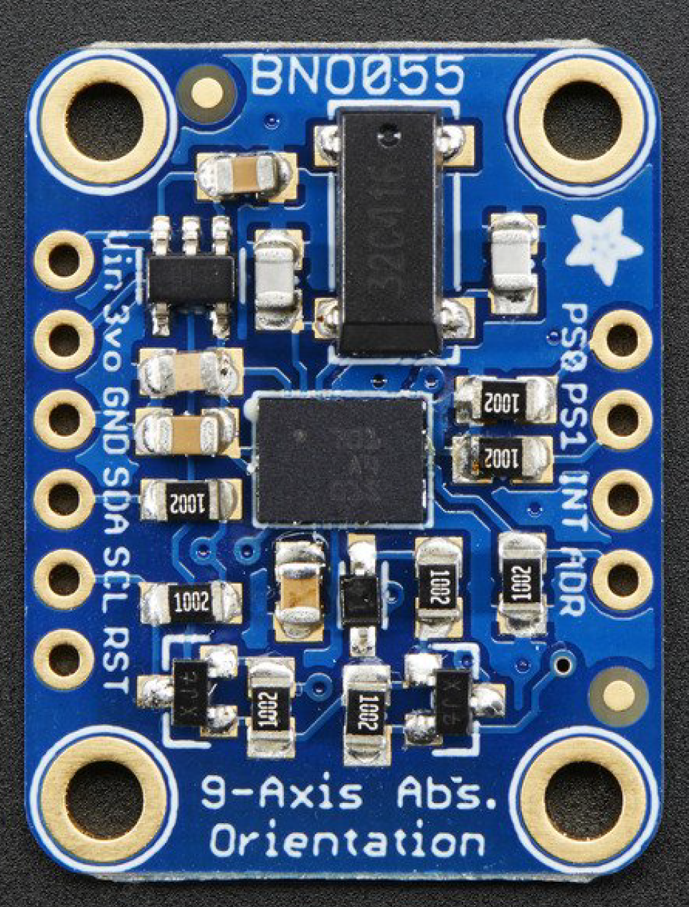
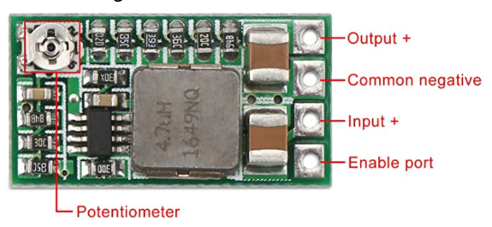
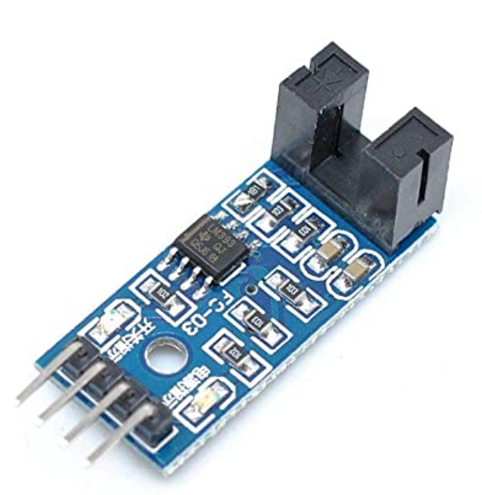
Wiring instructions:
1, VCC positive power supply 3.3-5V
2, GND power supply is negative
3, DO TTL switching signal output
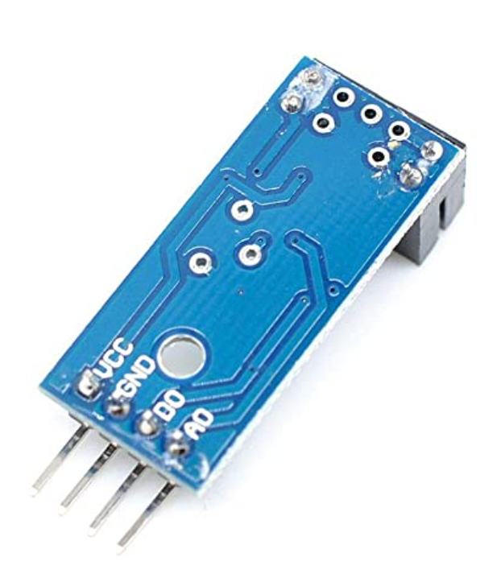
4, AO this module does not work

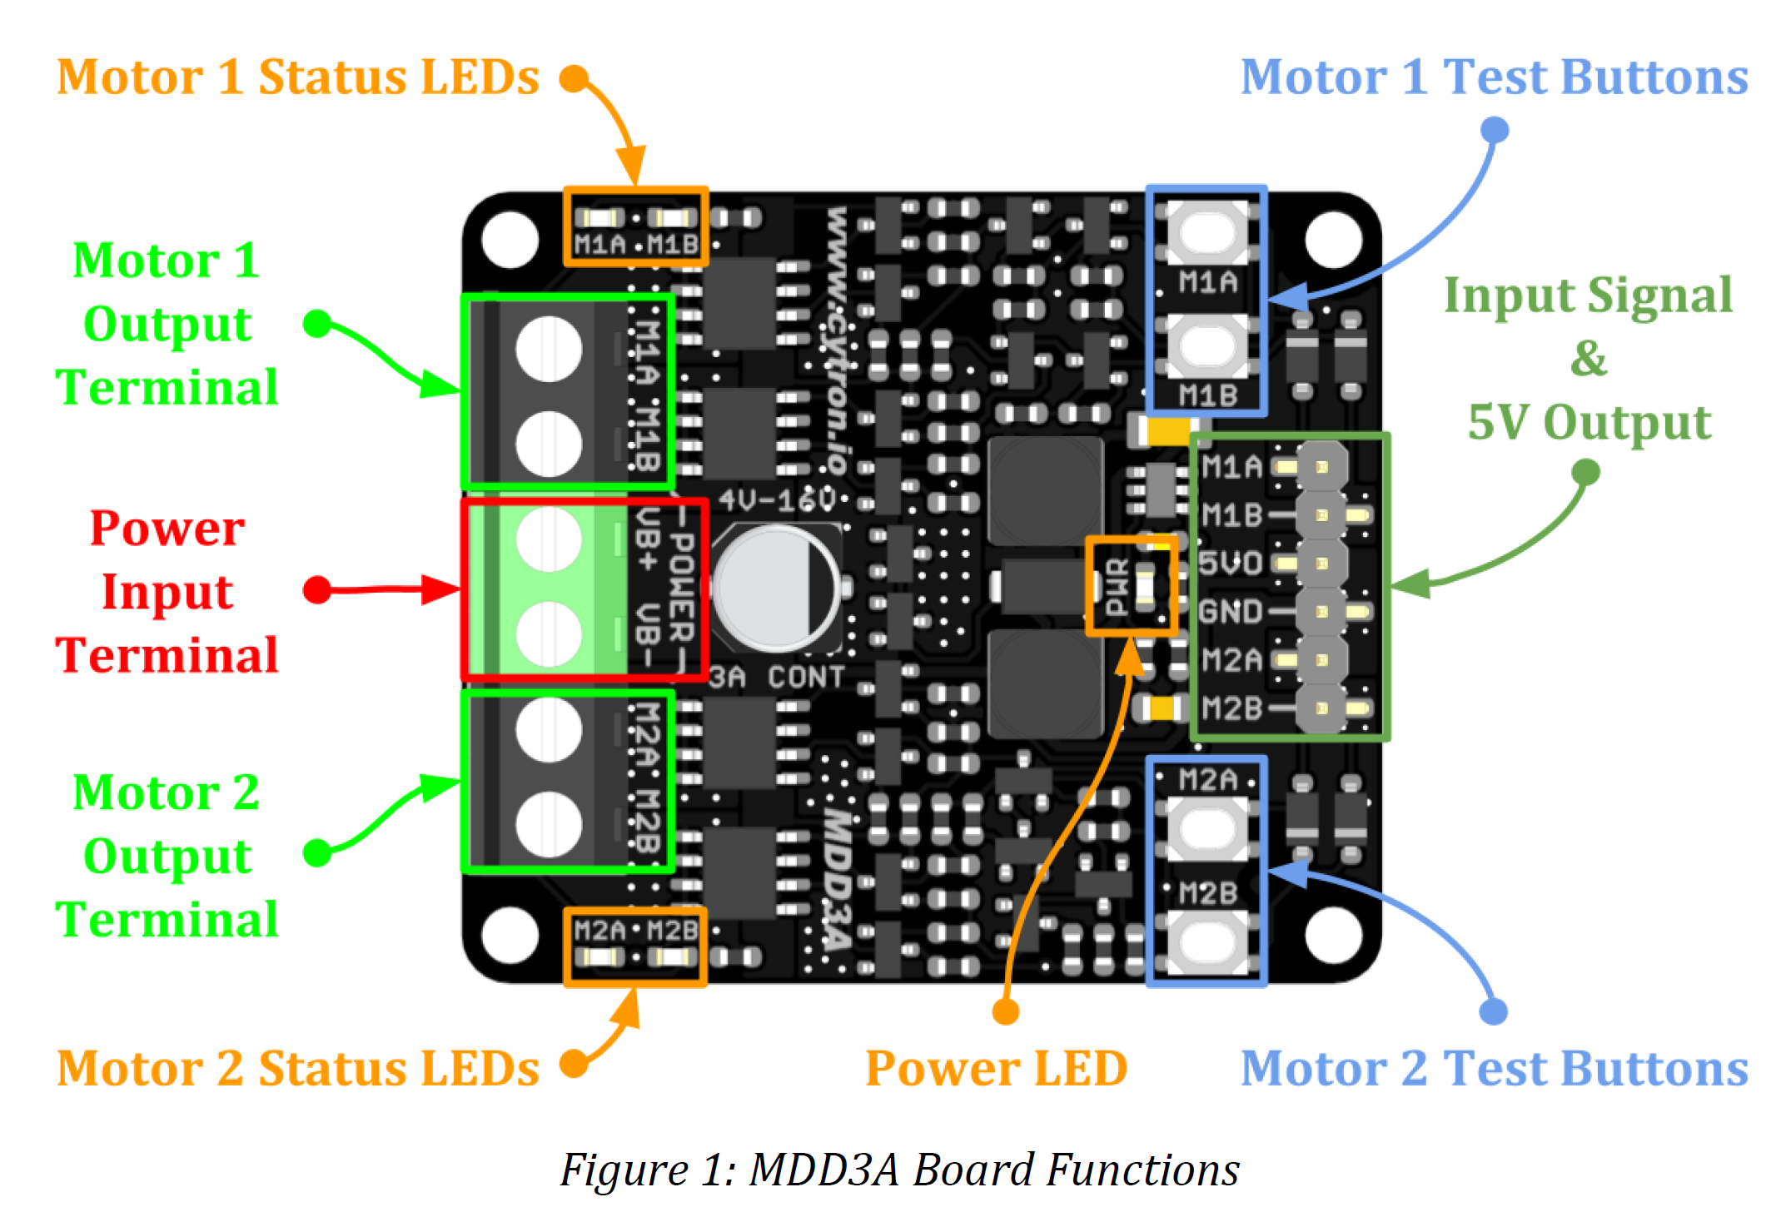

Out
GND
Vcc

